Sheet1
Colour 1 | Colour 2 | PALLETS | Gender | 34 | 35 | 36 | 37 | 38 | 39 | 40 | 41 | 42 | 43 | 44 | 45 | 46 | TOTAL |  |  |  | RRP
WHITE | RED | 3 |  |  |  | 204 | 313 | 189 | 90 |  |  |  |  |  |  |  | 796 | 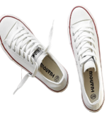 360 |  |  | £30.00
BLACK | WHITE | 3 | womens |  |  |  |  |  |  |  |  |  |  |  |  |  | 1080 | 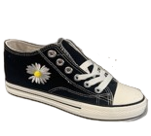 |  |  | £30.00
WHITE | BLACK | 3 | womens |  | 85 | 192 | 272 | 269 | 224 |  |  |  |  |  |  |  | 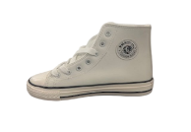 1050 |  | 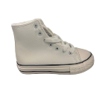 360 |  | £40.00
BLACK |  | 4 | womens |  | 3 | 11 | 27 | 13 | 300 | 339 |  |  |  |  |  |  | 1410 | 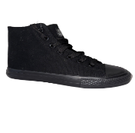 360 | 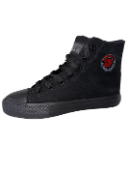 |  | £40.00
BLACK | WHITE | 2 | womens |  | 199 | 219 | 256 | 205 | 205 | 128 |  |  |  |  |  |  | 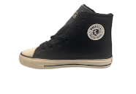 690 | 360 | 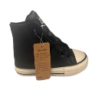 |  | £40.00
MUSTARD |  | 2 | womens | 300 | 60 | 30 | 60 |  | 30 |  |  |  |  |  |  |  | 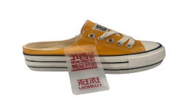 480 | 360 |  |  | £30.00
BLACK | WHITE | 2 | womens | 107 | 166 | 158 | 21 |  | 28 |  |  |  |  |  |  |  | 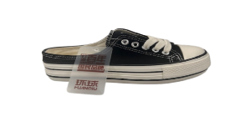 480 | 360 |  |  | £30.00
WHITE | RED | 2 | womens | 120 | 144 | 8 | 30 | 60 | 206 | 30 |  |  |  |  |  |  | 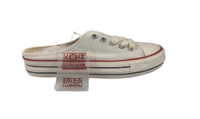 598 | 360 |  |  | £30.00
WHITE | RED | 1 | womens |  | 38 | 120 | 150 |  | 33 | 19 |  |  |  |  |  |  | 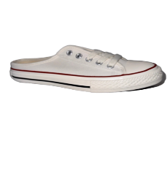 360 | 360 | 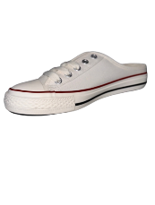 |  | £30.00
GREEN |  | 1 | unisex |  |  |  |  |  | 150 | 96 | 35 |  |  | 58 |  |  | 339 | 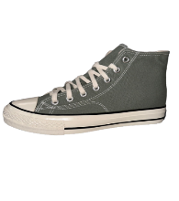 360 |  |  | £40.00
WHITE | BLACK | 2 | womens |  |  | 207 | 440 | 14 | 27 |  |  |  |  |  |  |  | 658 | 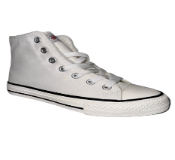 360 |  |  | £40.00
BLACK |  | 2 | unisex |  |  |  |  |  |  |  |  |  |  |  |  |  | 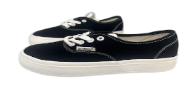 720 | 360 |  |  | £30.00
BLACK | WHITE | 1 |  |  |  |  |  |  |  |  |  |  |  |  |  |  | 360 |  |  |  | £30.00
2 COLOURS |  |  | womens |  |  |  |  |  |  |  |  |  |  |  |  |  | 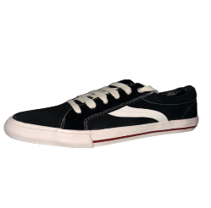 900 |  | 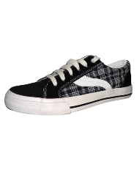 360 |  | £40.00
2 COLOURS |  | 4 |  |  |  |  |  |  |  |  |  |  |  |  |  |  | 1440 |  | 360 |  | £30.00
3 COLOURS |  | 3 |  |  |  |  |  |  |  |  |  |  |  |  |  |  | 1080 |  | 360 |  | £30.00
1 COLOUR |  | 1.5 | men |  |  |  |  |  |  |  |  |  |  |  |  |  | 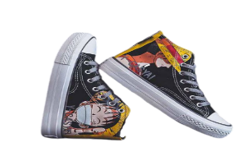 540 |  | 360 |  | £40.00
WHITE | BLACK | 11 | men |  |  |  |  |  |  |  |  |  |  |  |  |  | 3930 | 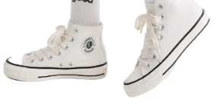 | 360 |  | £40.00
WHITE | RED | 8 | men |  |  |  |  |  |  |  |  |  |  |  |  |  | 2880 | 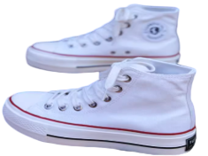 | 360 |  | £40.00
BLACK | WHITE | 4 | men |  |  |  |  |  |  |  |  |  |  |  |  |  | 1440 | 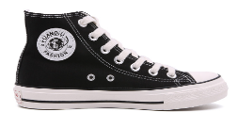 | 360 |  | £40.00
BLACK | WHITE | 2 | men |  |  |  |  |  | 44 |  | 32 | 29 | 29 |  |  |  | 134 | 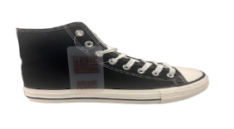 | 360 |  | £40.00
WHITE | RED | 1 | men |  |  |  |  |  |  |  |  |  |  |  |  |  | 360 | 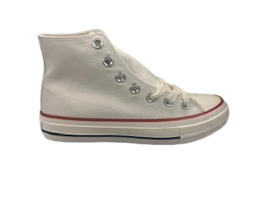 | 360 |  | £40.00
WHITE | BLACK | 1 | men |  |  |  |  |  |  | 63 | 217 | 36 | 96 | 5 |  |  | 417 | 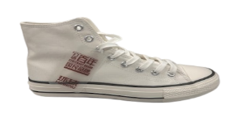 | 360 |  | £40.00
BLACK | WHITE | 3 | womens |  | 242 | 169 | 120 | 73 | 300 | 4 |  |  |  |  |  |  | 878 | 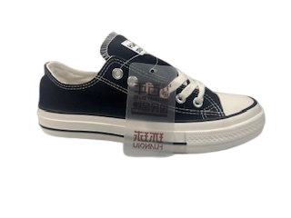 | 360 |  | £30.00
WHITE | RED | 1 | womens |  | 1 | 41 | 72 | 128 | 72 | 9 |  |  |  |  |  |  | 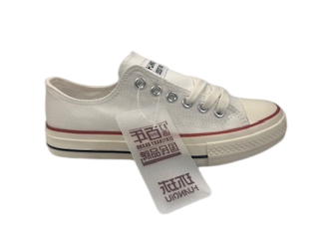 323 |  | 360 |  | £30.00
WHITE | BLACK | 4 | womens |  | 85 | 775 | 1 | 492 | 246 | 311 |  |  |  |  |  |  | 1880 | 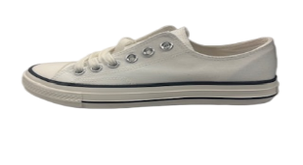 | 360 |  | £30.00
BLACK | WHITE | 1 | men |  |  |  |  |  |  | 30 | 42 | 4 | 53 | 24 |  |  | 123 | 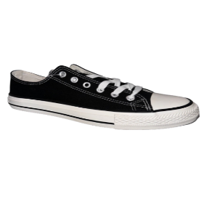 | 360 |  | £30.00
WHITE | BLACK | 2 | men |  |  |  |  |  | 4 | 115 | 162 | 208 | 179 | 97 |  |  | 735 | 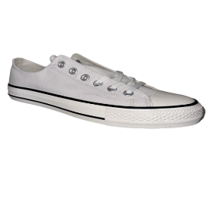 | 360 |  | £30.00
GREEN |  | 1 | unisex |  |  |  |  |  | 6 | 55 | 36 | 4 |  |  |  |  | 101 | 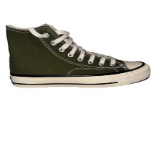 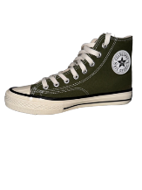 | 360 |  | £40.00
BLACK WHITE |  | 1 | men |  |  |  |  |  | 46 | 73 | 33 | 73 | 4 | 33 |  |  | 262 | 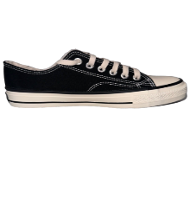 | 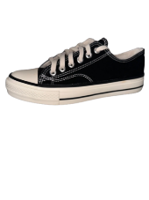 360 |  | £30.00
BLACK LO |  |  | men |  |  |  |  |  | 44 | 56 | 100 | 66 | 96 | 45 |  |  | 407 | 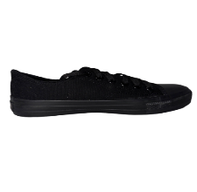 |  | 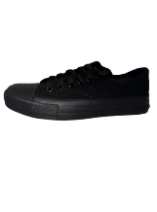 | £30.00
BLACK |  | 1 | men |  |  |  |  |  |  |  |  |  |  |  |  |  | 360 | 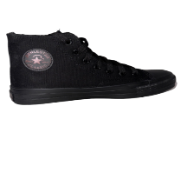 | 360 | 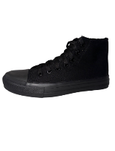 | £40.00
MUSTARD |  | 1 | men |  |  |  |  |  | 29 | 52 | 15 | 37 | 23 | 30 |  |  | 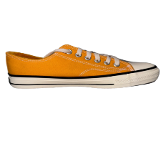 186 |  | 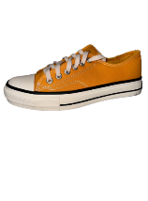 360 |  | £30.00
BLACK | WHITE |  | womens |  | 24 |  | 32 | 60 |  |  |  |  |  |  |  |  | 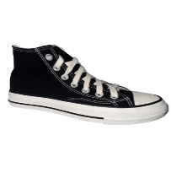 116 |  | 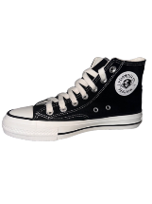 |  | £40.00
WHITE | BLACK |  | womens |  |  | 30 | 180 |  |  |  |  |  |  |  |  |  | 210 | 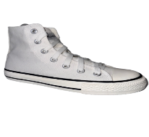 | 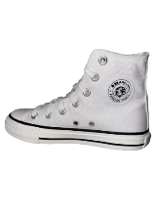 |  | £40.00
WHITE | RED |  | womens |  | 13 | 7 |  | 7 |  | 1 |  |  |  |  |  |  | 28 | 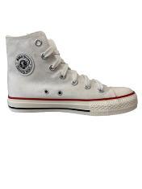 |  |  | £40.00
NAVY |  |  | womens |  |  | 3 | 27 | 27 | 27 |  |  |  |  |  |  |  | 84 | 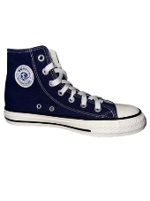 |  |  | £40.00
BLACK | WHITE |  | womens | 63 | 965 |  |  |  | 14 |  |  |  |  |  |  |  | 1042 |  |  |  | £30.00
WHITE |  | 3 | womens |  |  | 243 | 205 | 291 | 461 | 36 |  |  |  |  |  |  | 1236 | 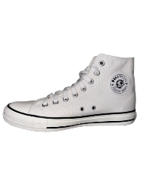 | 360 |  | £40.00
WHITE | BLACK | 2 | men |  |  |  |  |  |  | 100 | 207 | 195 | 308 | 7 | 9 |  | 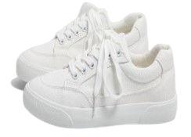 826 |  | 360 |  | £40.00
WHITE | RED | 11 | men |  |  |  |  |  | 253 | 511 | 514 | 569 | 1050 | 424 | 118 | 151 | 3560 | 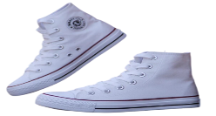 | 360 |  | £40.00
BLACK | WHITE |  | men |  |  |  |  |  |  | 35 | 26 |  | 8 | 30 | 30 | 30 | 159 | 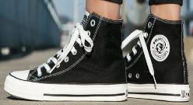 |  |  | £40.00
WHITE | RED | 3 | men |  |  |  |  |  | 180 | 210 | 30 | 328 | 179 |  |  |  | 927 |  | 360 |  | £30.00
WHITE | BLACK | 6 | womens |  | 494 | 243 | 536 | 502 | 30 |  |  |  |  |  |  |  | 1775 |  | 360 |  | £30.00
BLACK | WHITE | 2 | unisex |  |  |  |  |  |  |  |  |  |  |  |  |  | 690 |  | 360 |  | £30.00
WHITE | BLACK |  | men |  |  |  |  |  | 24 | 90 | 160 | 156 | 134 | 70 |  |  | 634 |  |  |  | £30.00
WHITE | RED |  | men |  |  |  |  |  | 4 | 7 | 7 | 7 | 5 |  |  |  | 30 |  |  |  | £30.00
WHITE |  | 3 | unisex |  |  |  |  |  |  |  |  |  |  |  |  |  | 1080 |  | 360 |  | £30.00
WHITE | BLACK |  | womens |  | 118 | 259 | 420 | 305 | 232 | 135 |  |  |  |  |  |  | 1469 |  |  |  | £30.00
BLACK | WHITE |  | womens |  |  | 20 |  |  | 20 |  |  |  |  |  |  |  | 40 |  |  |  | £30.00
WHITE | RED |  | womens |  | 20 | 98 |  |  |  |  |  |  |  |  |  |  | 118 |  |  |  | £30.00
WHITE | SILVER |  | womens | 56 | 40 | 160 |  | 21 |  |  |  |  |  |  |  |  | 277 |  |  |  | £30.00
BLACK |  |  | men |  |  |  |  |  |  | 19 | 21 | 17 | 27 | 26 | 21 | 18 | 149 |  |  |  | £30.00
NAVY |  |  | men |  |  |  |  |  |  | 18 | 18 | 16 | 27 | 17 | 17 | 17 | 130 |  |  |  | £30.00
BLACK |  |  | womens |  |  | 17 | 19 | 27 | 27 | 28 | 19 |  |  |  |  |  | 137 |  |  |  | £30.00
RED |  |  | womens |  |  | 37 | 44 | 56 | 58 | 60 | 38 |  |  |  |  |  | 293 |  |  |  | £30.00
 |  |  |  |  |  |  |  |  |  |  |  |  |  |  |  | TOTAL | 42407
 |  |  |  | 646 | 2697 | 3251 | 3225 | 2739 | 3414 | 2630 | 1712 | 1745 | 2218 | 866 | 195 | 216

